Sheet1
CTRL+G | 12007

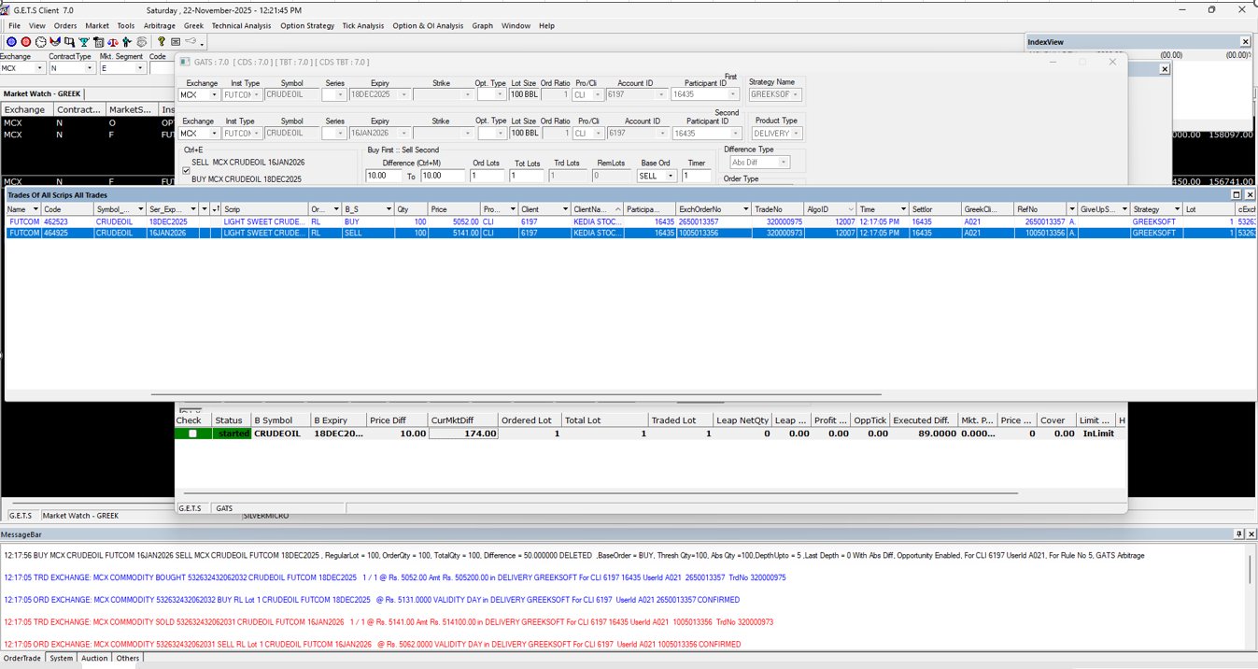

ALT+Z | 12012

SPREAD

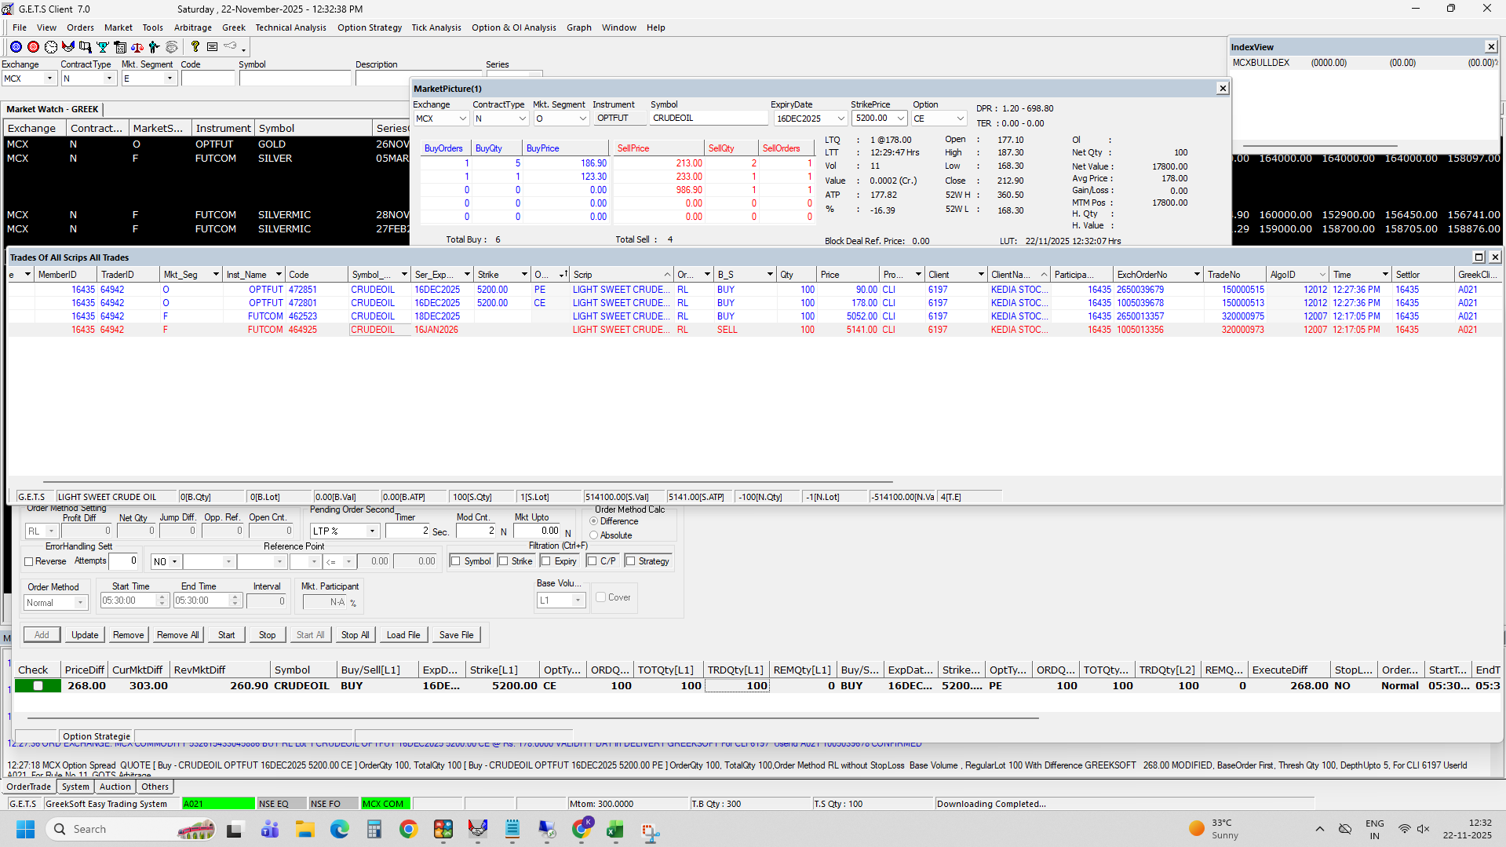

BUTTERFLY | 12014

PENDING ORDER

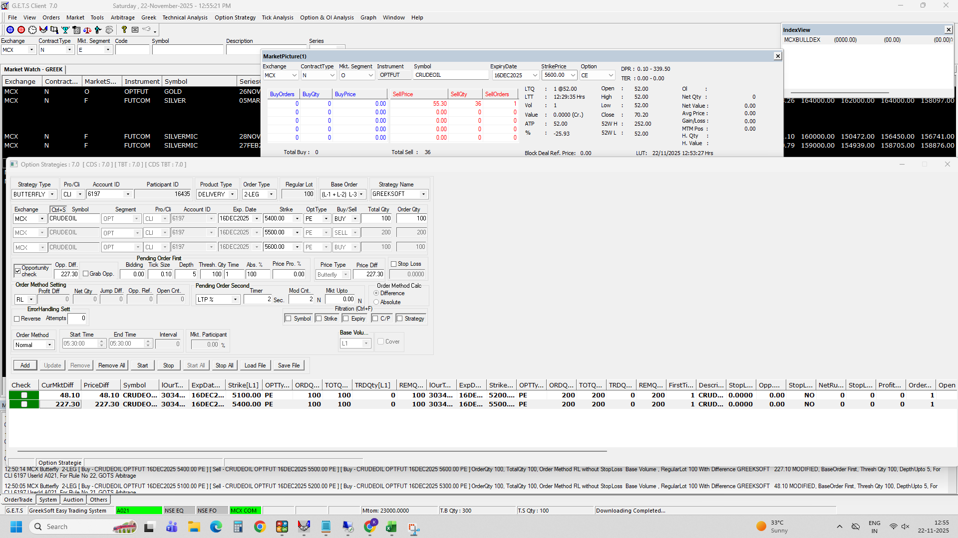

MANUALLY EXECUTED 12014

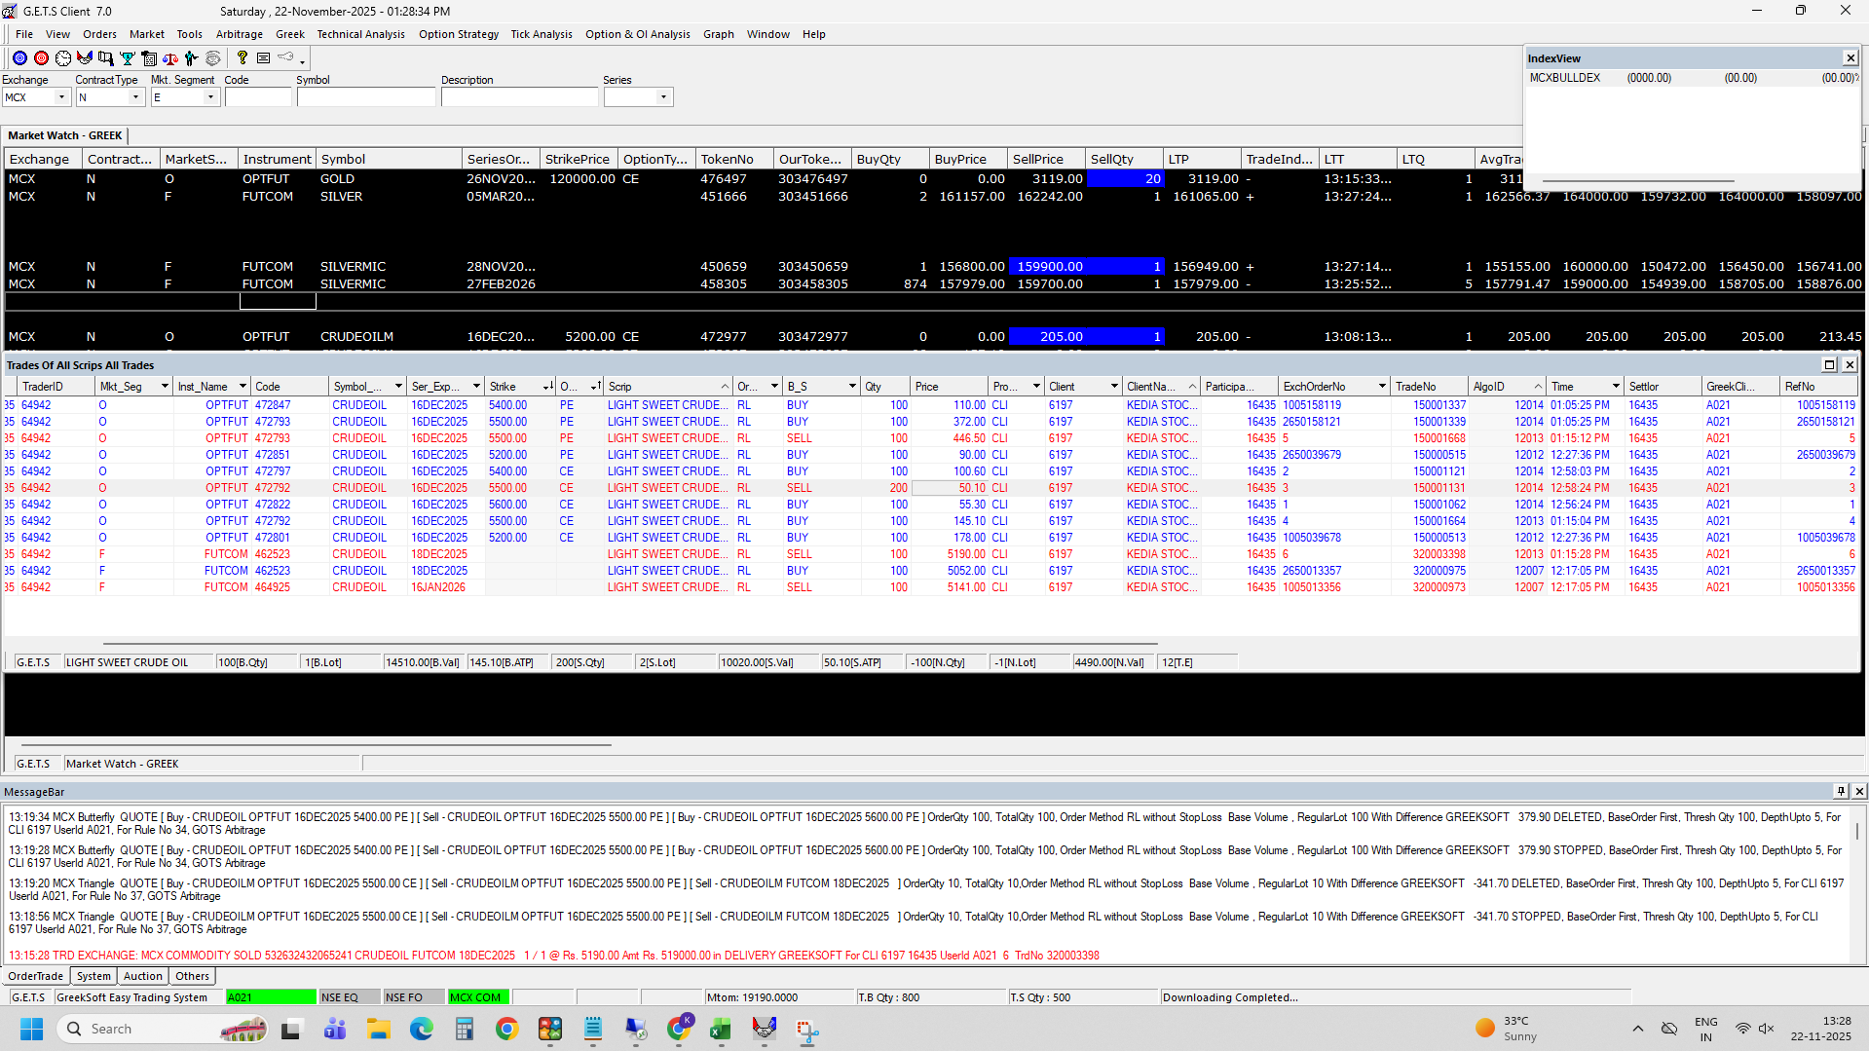

TRIANGLE
MANUALLY EXECUTED 12013

